Indices

 | Iraq Stock Exchange
 | Bulletin No (178)

 | ISX Trading Indices of Tuesday 7/10/2025

 | Traded Volume and OTC |  | 573,689,279 |  | Traded Value and OTC |  | 853,412,296 |  | Traders | 883

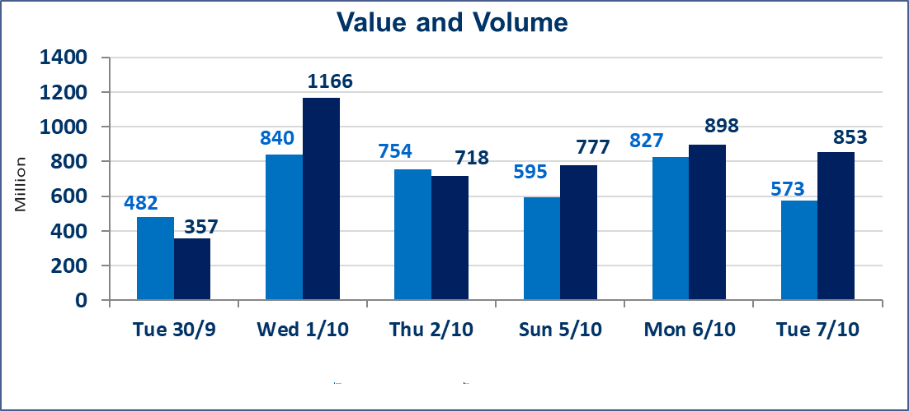
 | ISX Index 60 |  |  | 948.54 | ISX Index 15 |  |  | 1121.44
 | Previous ISX Index60 |  |  | 956.24 | Previous ISX Index15 |  |  | 1125.84
 | Change % |  |  | -0.81 | Change % |  |  | -0.39
 | Change |  |  | -7.70 | Change |  |  | -4.40

 | Listed Companies | 104 | OTC | 11 | Non Traded listed | 45 | OTC | 9
 | Traded Listed Companies | 39 | OTC | 1 | Higher Companies |  |  | 7
 | GAM Companies |  |  | 10 | Lower Companies |  |  | 17
 | Suspended Companies |  |  | 10
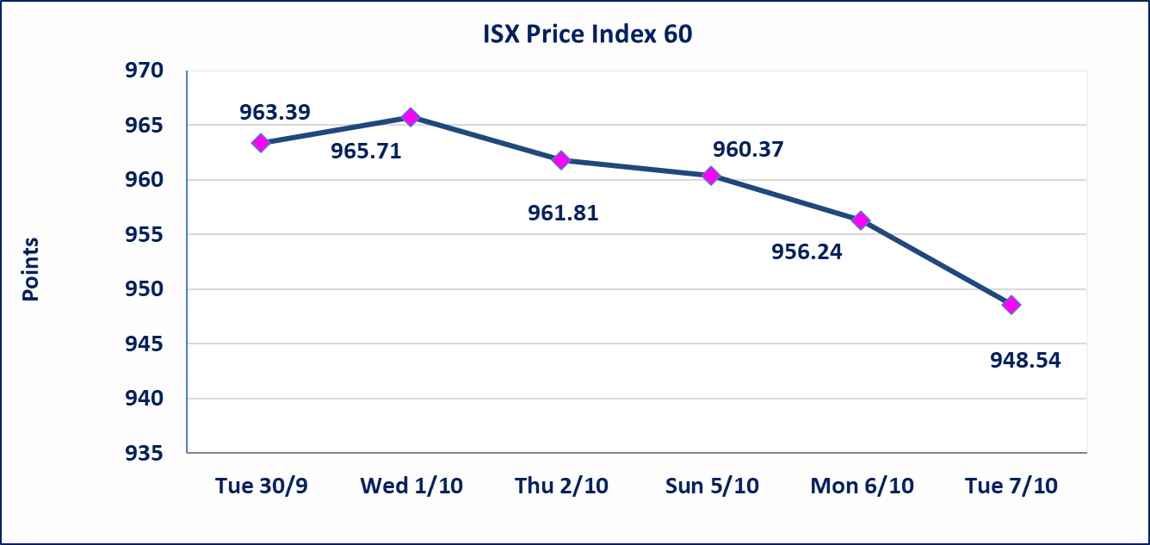
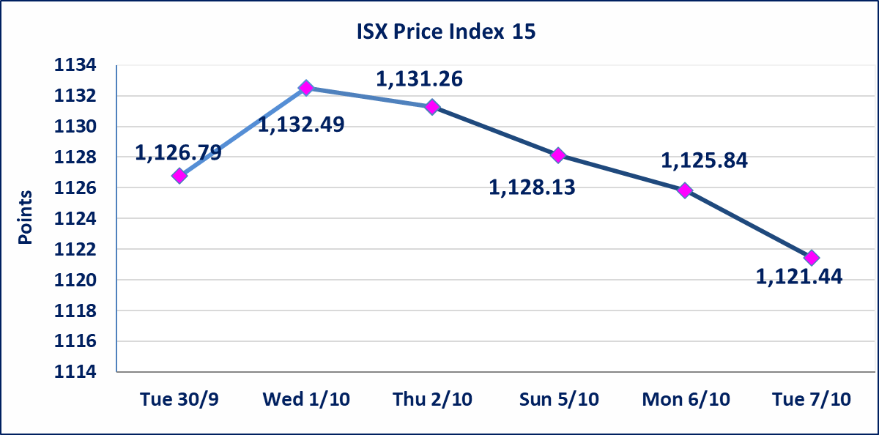

Al-Alwiya P.O . 3607 Mobile: 07711211522 - 07270094594 - 07834000034 E-mail: info-isx@isx-iq.net Web site:www.isx-iq.net

Top 5
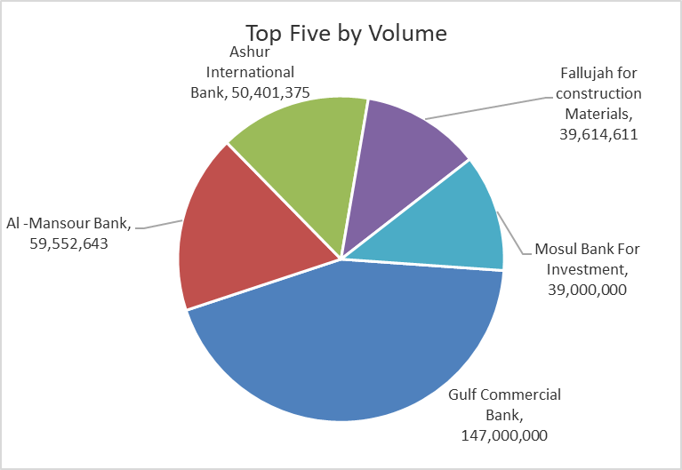
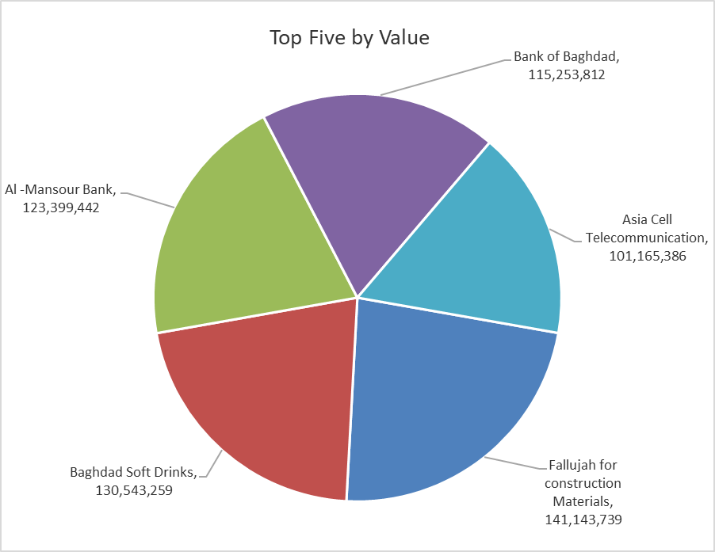
ISX top ganing and losing companies
Tuesday 7/10/2025
Gainers |  |  |  | Losers
Company Name | Closing Price | Change (%) | Traded Volume | Company Name | Closing Price | Change (%) | Traded Volume
Sumer Commercial Bank | 0.090 | 12.50 | 1,585,818 | Babil Animal & Vegetable Production | 9.400 | -14.93 | 5,651
Fallujah for construction Materials | 3.600 | 4.05 | 39,614,611 | Al-Hilal Industries | 2.160 | -4.85 | 260,000
Baghdad -Iraq Transportation | 35.000 | 2.94 | 378,044 | Electronic Industry | 1.070 | -4.46 | 616,195
Mansour Hotel | 39.000 | 1.33 | 68,573 | Ashur International Bank | 0.240 | -4.00 | 50,401,375
Agricultural Products Meat | 4.680 | 0.65 | 277,887 | Economy Bank | 0.240 | -4.00 | 30,000,000

The most active companies in term of traded volume and value

Traded Volume |  |  |  | Traded Value
Company Name | Closing Price | Change (%) | Traded Volume | Company Name | Closing Price | Change (%) | Traded Value
Gulf Commercial Bank | 0.300 | 0.00 | 147,000,000 | Fallujah for construction Materials | 3.600 | 4.05 | 141,143,739
Al -Mansour Bank | 2.070 | -0.48 | 59,552,643 | Baghdad Soft Drinks | 4.630 | -0.64 | 130,543,259
Ashur International Bank | 0.240 | -4.00 | 50,401,375 | Al -Mansour Bank | 2.070 | -0.48 | 123,399,442
Fallujah for construction Materials | 3.600 | 4.05 | 39,614,611 | Bank of Baghdad | 3.520 | -1.12 | 115,253,812
Mosul Bank For Investment | 0.160 | 0.00 | 39,000,000 | Asia Cell Telecommunication | 12.000 | -0.33 | 101,165,386

Non OTC

Iraq Stock Exchange
Non Iraqis' Bulletin Tuseday Oct 7 2025
Regular Market

Non Iraqi Trading of OTC (Sell)
Company Names | Code | No.of trades | Traded Shares | Trading Volume
Banks Sector
Warka Bank for inv.&Finance | BWAI | 10 | 40,000,000 | 4,000,000
Total Bank sector |  | 10 | 40,000,000 | 4,000,000
Grand Total |  | 10 | 40000000 | 4000000

